df_centroid3
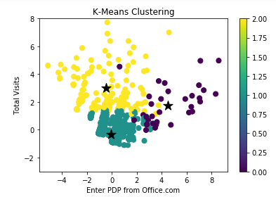
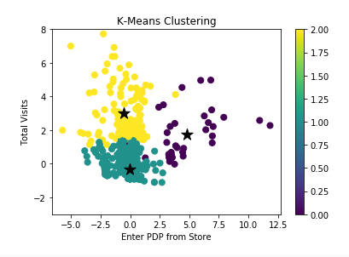
 | Total Visits | Enter PDP from Office.com | Enter PDP from Store | Average Time Spent on Page (seconds)
0 | 1.76 | 4.51 | 4.76 | -0.56 | 1.0 1540
1 | -0.33 | -0.05 | -0.06 | -0.02 | 2.0 144
2 | 3.01 | -0.48 | -0.53 | 0.30 | 0.0 34

Paid Order Exists | 0.09 | 0.10 | 0.15
Try Exists | 0.03 | 0.03 | 0.05
Device Orders_Office | 0.00 | 0.01 | 0.01
Total Visits | 1.09 | 1.05 | 1.92
New Visitors | 0.44 | 0.54 | 0.50
Enter PDP from Office.com | 0.12 | 0.06 | 0.14
Enter PDP from Store | 0.29 | 0.30 | 0.60
Average Time Spent on Page (seconds) | 175.02 | 98.47 | 118.56
Link Clicks (e4) | 23.44 | 19.78 | 37.90
Link Clicks on ReviewTab | 0.03 | 0.01 | 0.02
Link Clicks on FAQTab | 0.03 | 0.01 | 0.01
Link Clicks on AddtoCartButton | 0.09 | 0.17 | 0.44
Link Clicks on Trial link | 0.00 | 0.11 | 0.06
cluster3 | 0.00 | 1.00 | 2.00

